Hoja1
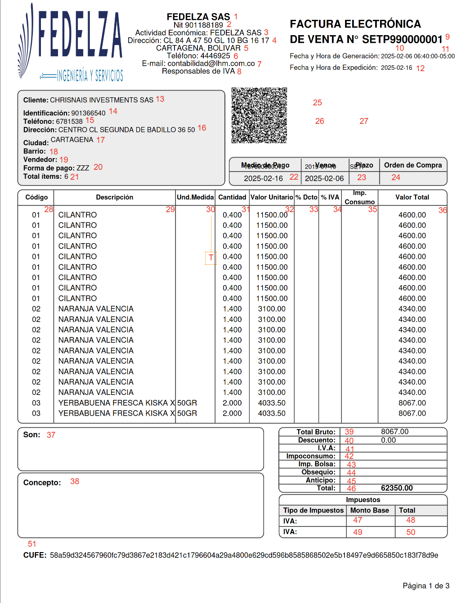
Id | Path
1 | cac:AccountingSupplierParty/cac:Party/cac:PartyTaxScheme/cbc:RegistrationName
2 | cac:AccountingSupplierParty/cac:Party/cac:PartyTaxScheme/cbc:CompanyID
3 | cac:AccountingSupplierParty/cac:Party/cbc:IndustryClassificationCode
4 | cac:AccountingSupplierParty/cac:Party/cac:PhysicalLocation/cac:Address/cac:AddressLine/cbc:Line
5 | cac:AccountingSupplierParty/cac:Party/cac:PhysicalLocation/cac:Address/cbc:CityName
5 | cac:AccountingSupplierParty/cac:Party/cac:PhysicalLocation/cac:Address/cbc:CountrySubentity
6 | cac:AccountingSupplierParty/cac:Party/cac:Contact/cbc:Telephone
7 | cac:AccountingSupplierParty/cac:Party/cac:Contact/cbc:ElectronicMail
8
9 | cbc:ID
10 | cbc:IssueDate
11 | cbc:IssueTime
12 | cbc:DueDate
13 | cac:AccountingCustomerParty/cac:Party/cac:PartyTaxScheme/cbc:RegistrationName
14 | cac:AccountingCustomerParty/cac:Party/cac:PartyTaxScheme/cbc:CompanyID
15 | cac:AccountingCustomerParty/cac:Party/cac:Contact/cbc:Telephone
16 | cac:AccountingCustomerParty/cac:Party/cac:PhysicalLocation/cac:Address/cac:AddressLine/cbc:Line
17 | cac:AccountingCustomerParty/cac:Party/cac:PhysicalLocation/cac:Address/cbc:CityName
18 | cac:AccountingCustomerParty/cac:Party/cac:Contact/cbc:Neighborhood
19
20 | cac:PaymentMeans/cbc:PaymentID
21
22 | cac:PaymentMeans/cbc:PaymentMeansCode
23
24
25
26
27
28 | cac:InvoiceLine/cbc:ID
29 | cac:InvoiceLine/cac:Item/cbc:Description
30
31 | cac:InvoiceLine/cbc:InvoicedQuantity
32 | cac:InvoiceLine/cac:Price/cbc:PriceAmount
33
34
35
36 | cac:InvoiceLine/cbc:LineExtensionAmount
37
38
39 | cac:LegalMonetaryTotal/cbc:LineExtensionAmount
40 | cac:LegalMonetaryTotal/cbc:AllowanceTotalAmount
41
42
43
44 | cac:LegalMonetaryTotal/cbc:GiftAmount
45 | cac:LegalMonetaryTotal/cbc:AdvanceAmount
46 | cac:LegalMonetaryTotal/cbc:TaxExclusiveAmount
47
48
49
50
51
52
53
54

